Summary
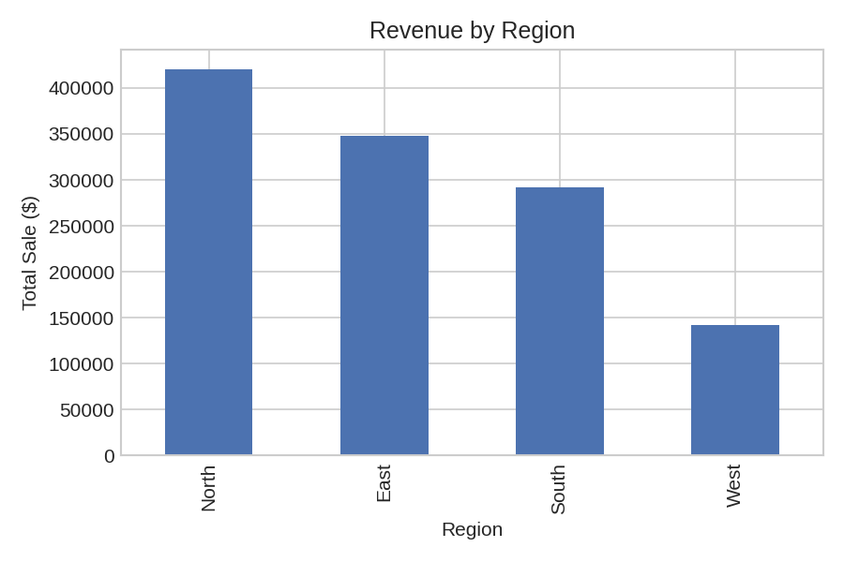
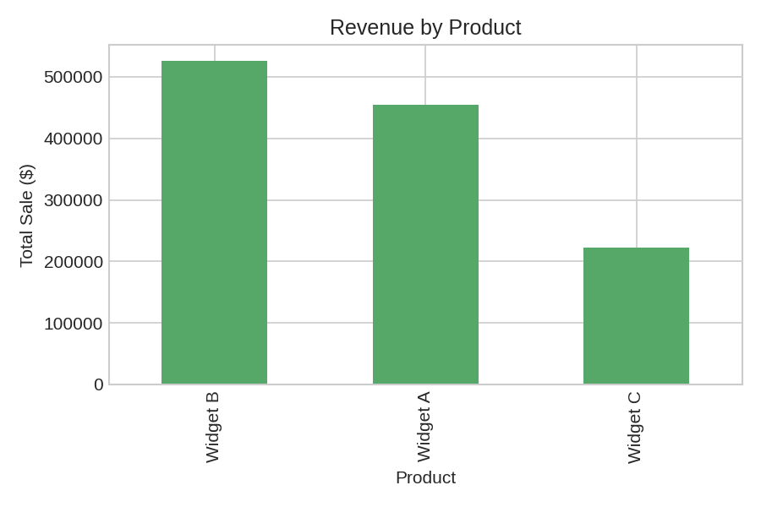
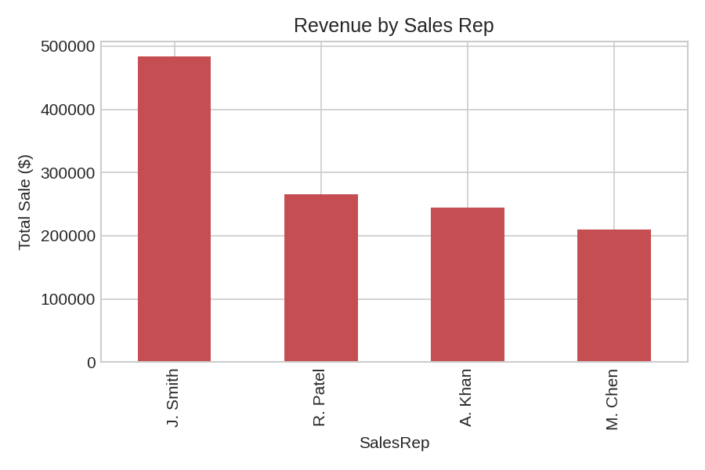
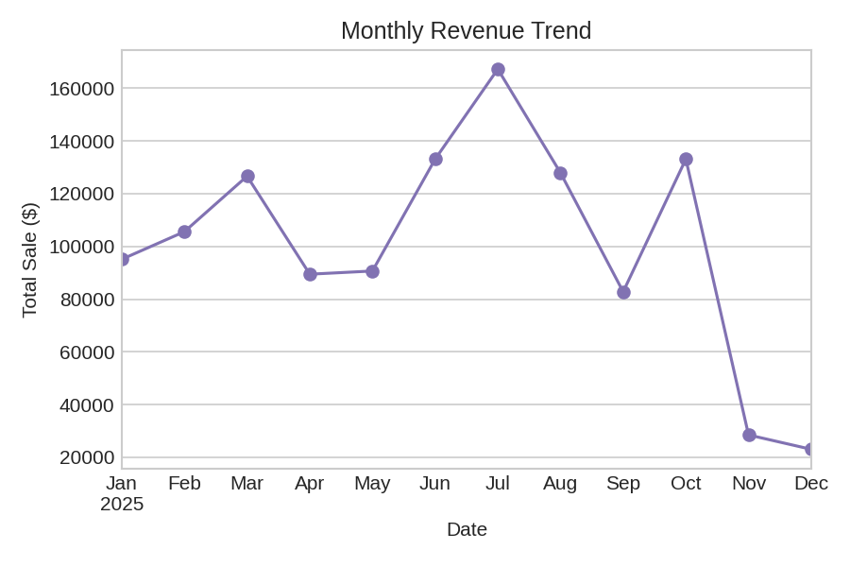
Automated Sales Data Report
Generated: 2026-08-25 16:56

Total Orders | 500
Total Revenue | 1203280.89
Average Order Value | 2406.56
Total Units Sold | 12661
Date Range | 2025-01-01 to 2025-12-07

